Press and Blogs
Press Releases and Selected Blogs

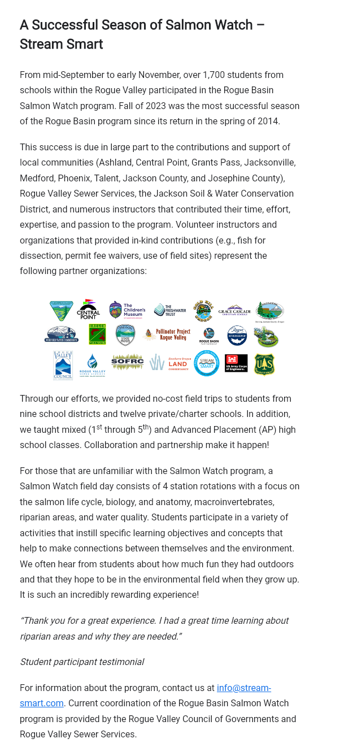

Date | Media | Subject
2023-07-18 | Interview with Rogue Valley Times | Applegate Lake Bacteria Spike
2023-08-01 | Interview with NBC5 | Elevated Bacteria Levels in Bear Creek
2023-08-23 | Blog | Baker Park Clean-up (copy in this tab)
2023-12-15 | Blog | A Successful Season of Salmon Watch (copy in this tab)
2024-01-03 | Blog | Volunteer in the New Year
2024-05-08 | Blog | Spring Cleaning - Bear Creek and Rogue Clean-ups
2024-06-05 | Blog | Stream Smart Change for Good Recipient

Rogue Clean Up Flyer Post Event
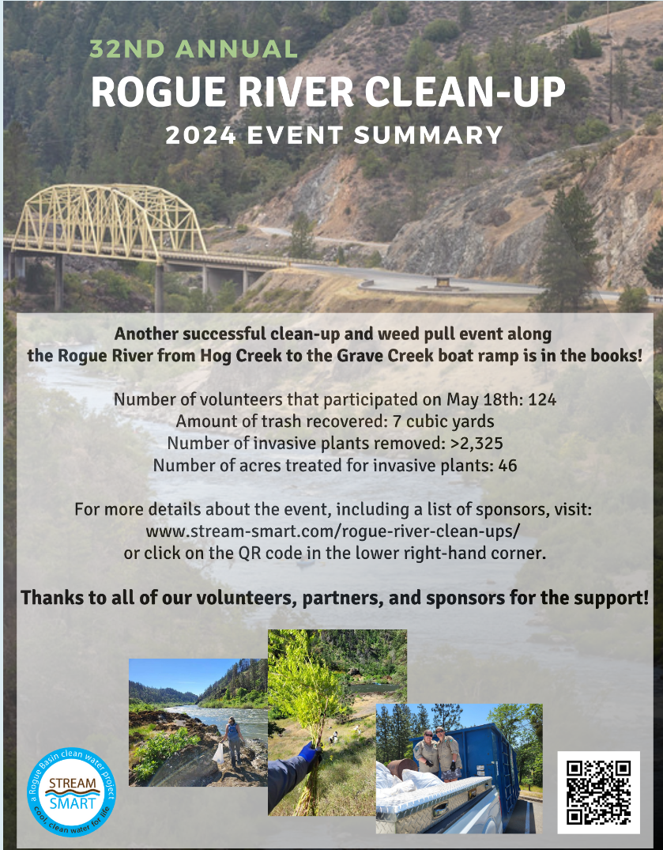

Activity Photos
Baker Park Clean-up | RCC Earth Day - Redwood Campus | Change For Good

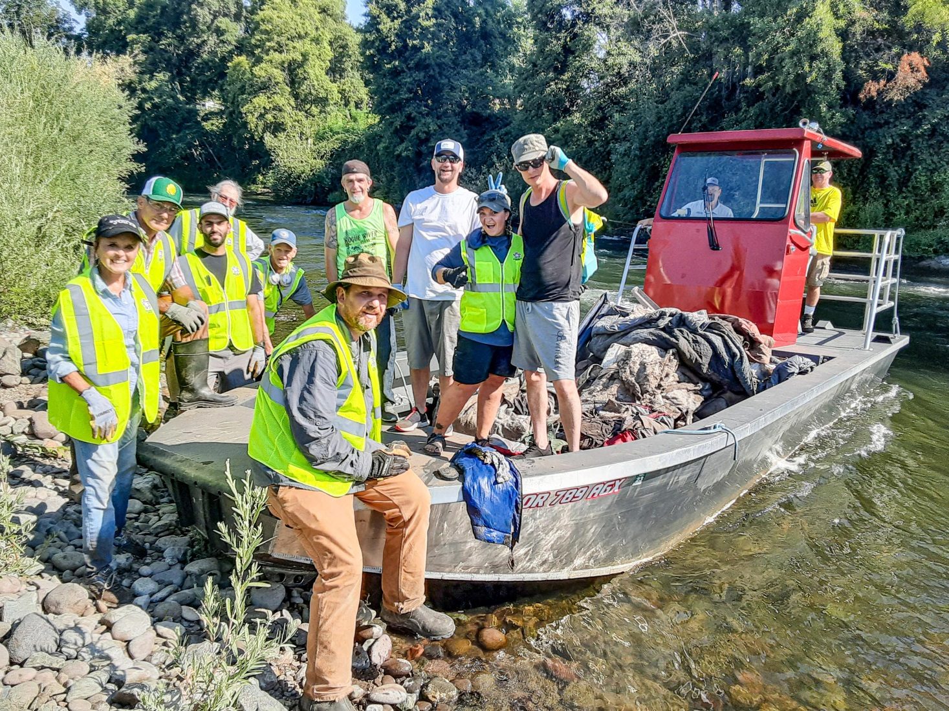
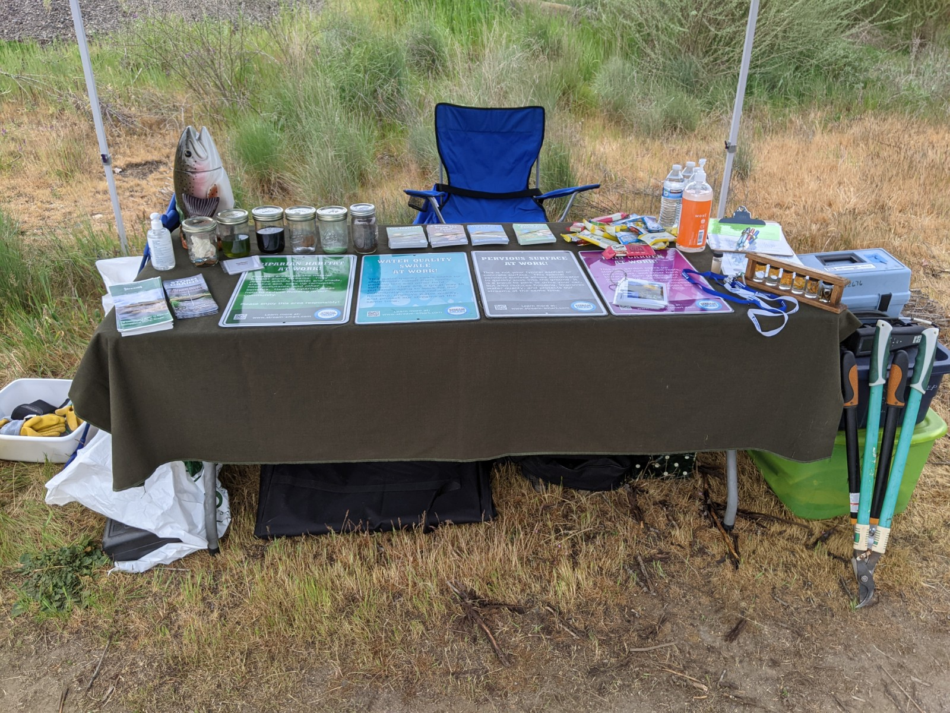

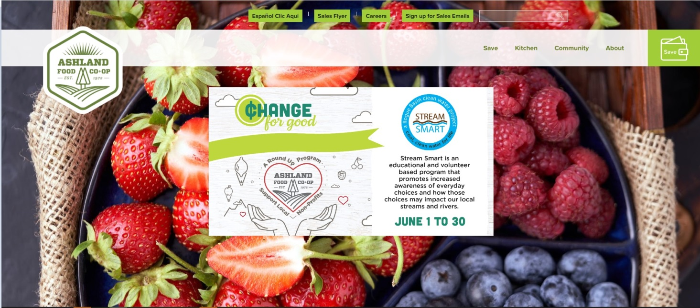

Salmon Watch

