Tracking Map and Survey
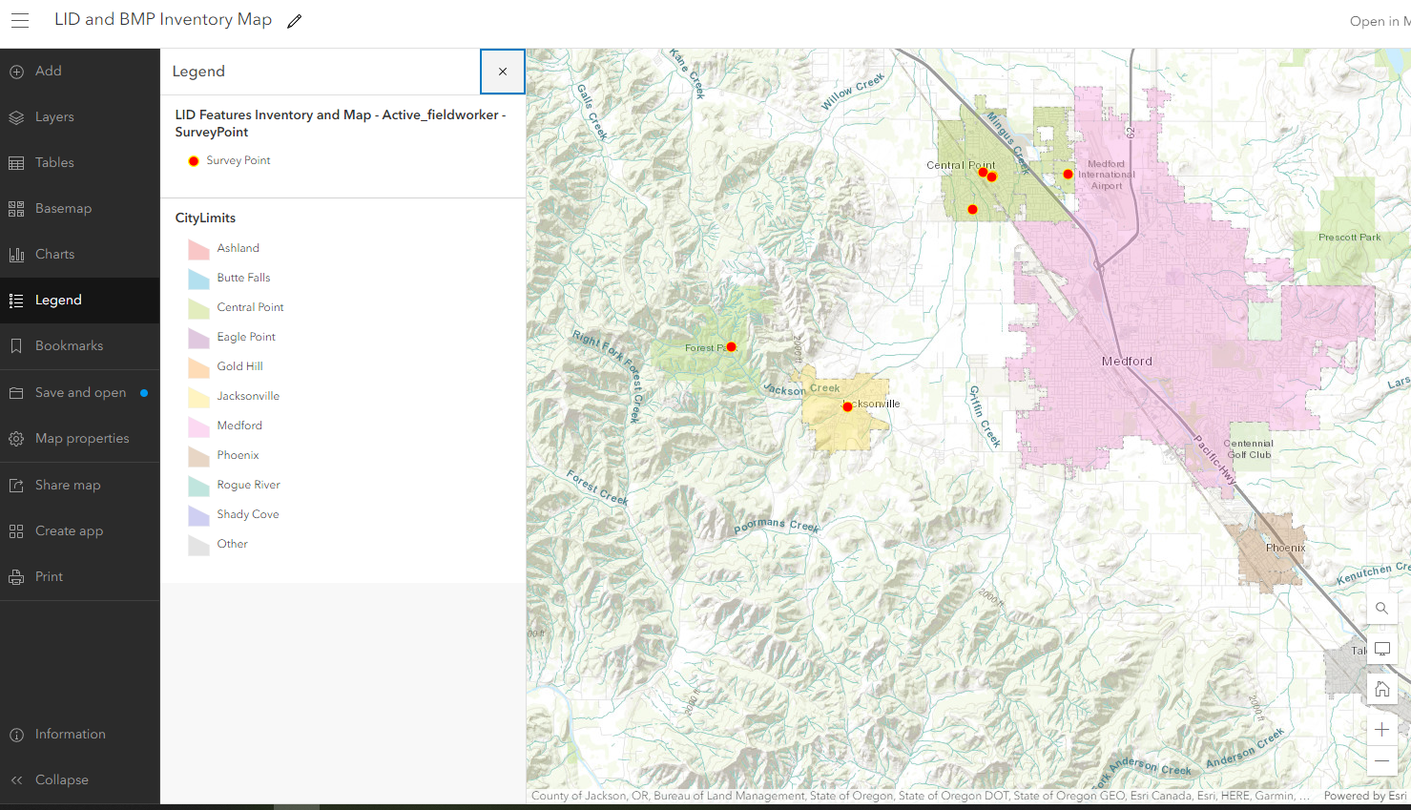
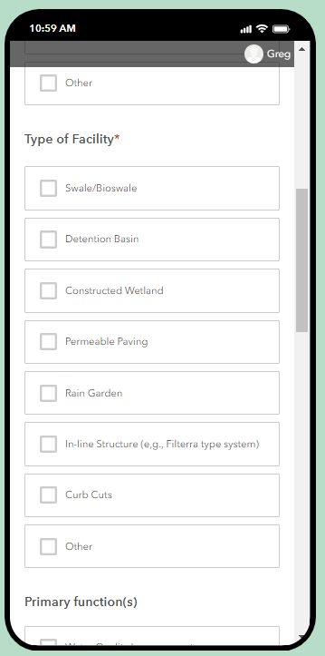
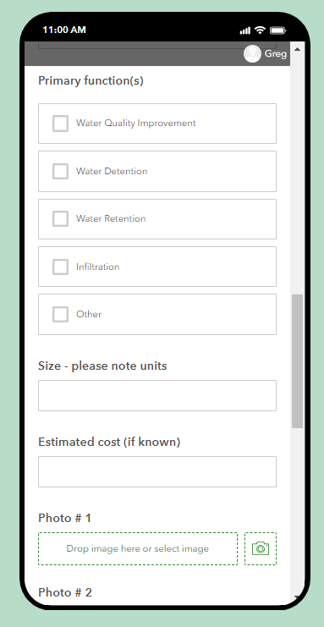
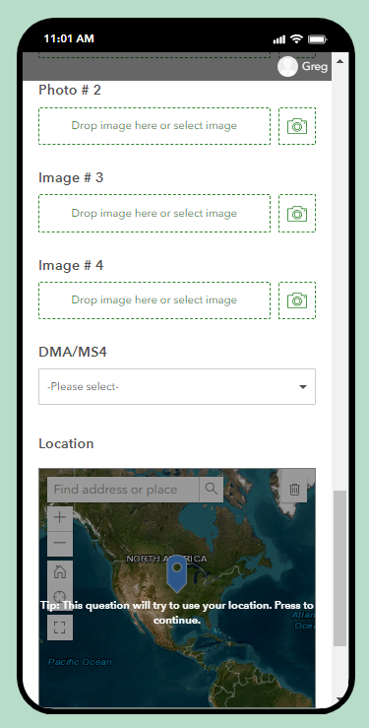

Hot Spot Map Image
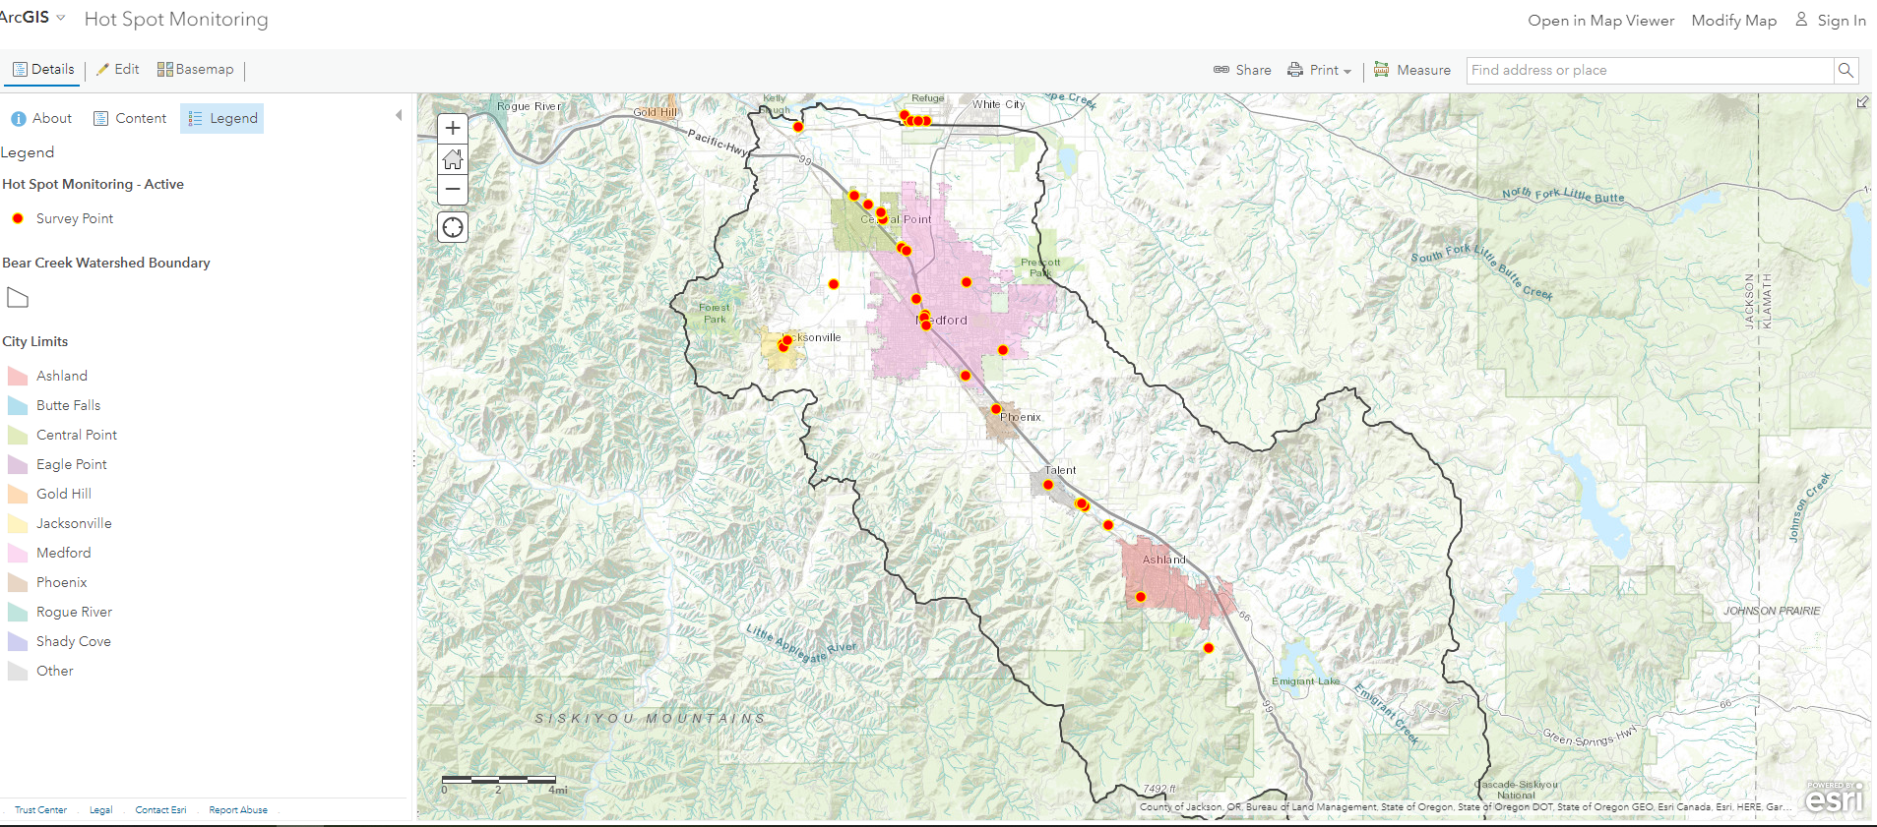

Monitoring Map
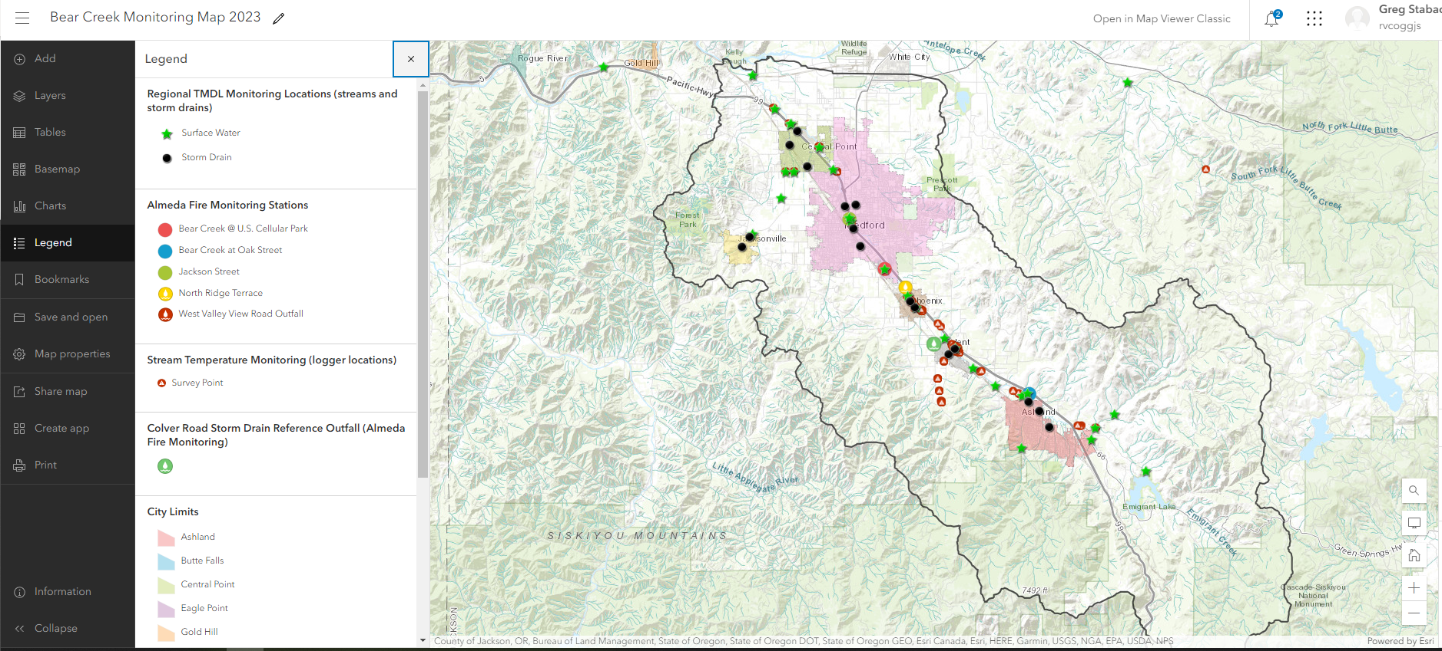

Interactive Riparian Map Demo
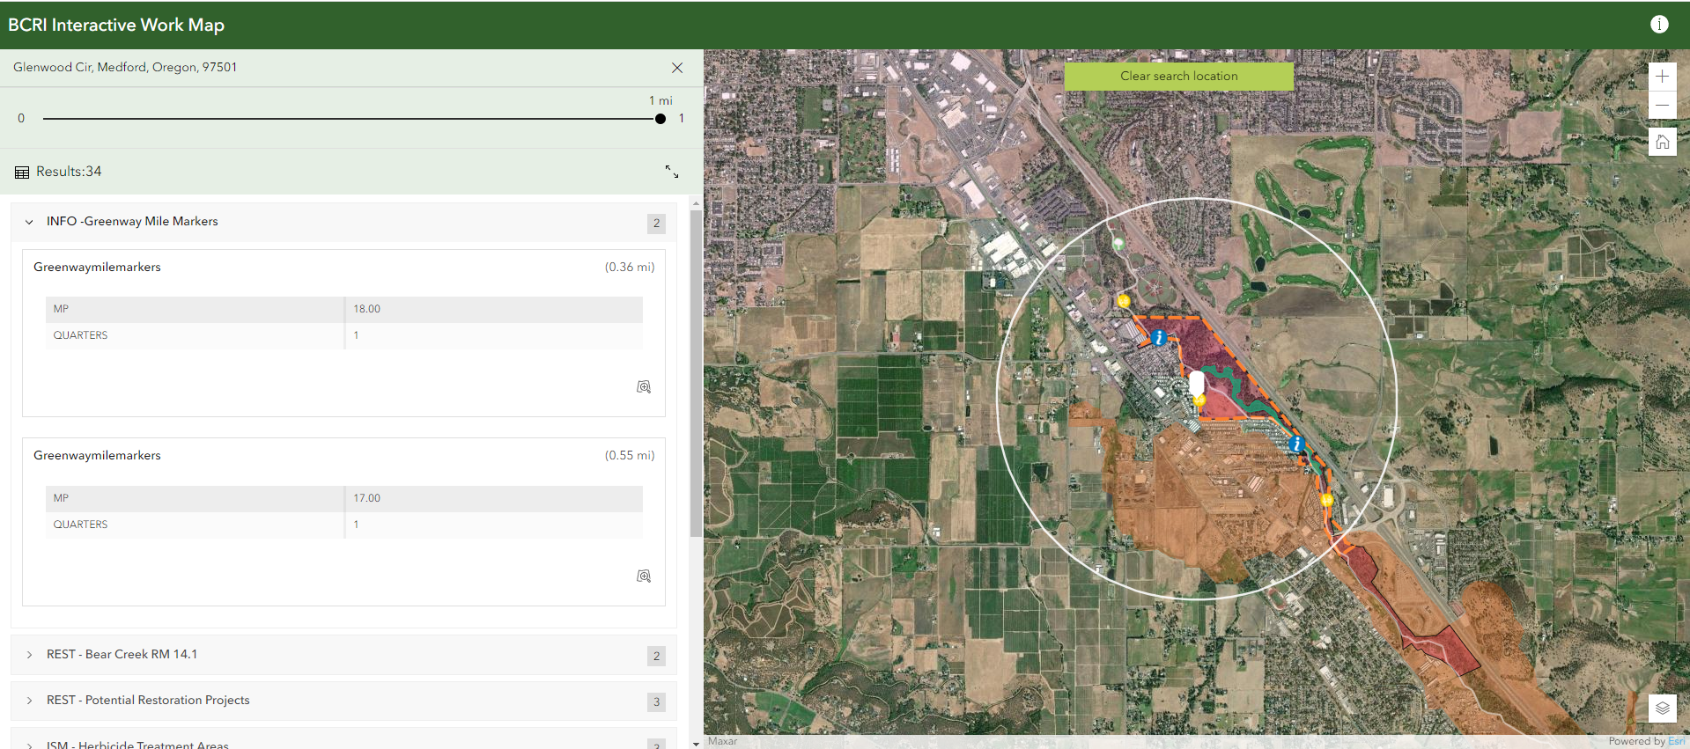

Restoration Condition Map
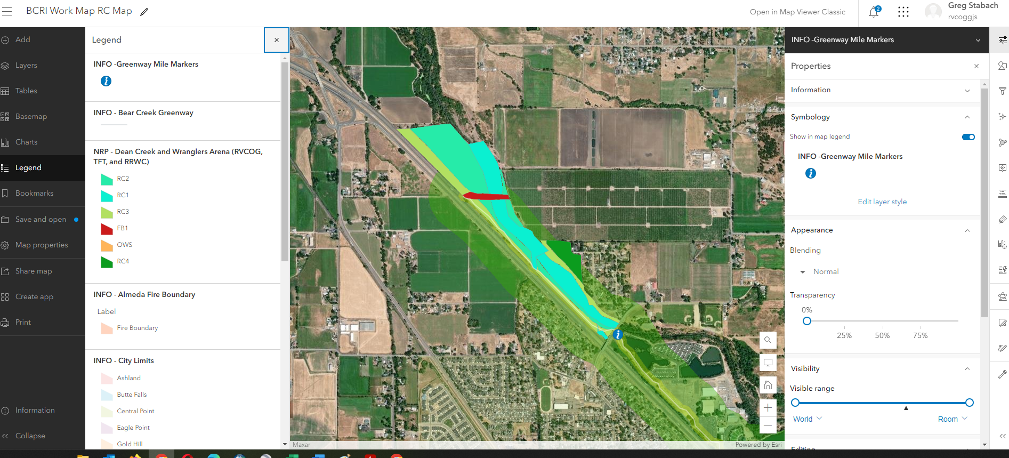

Atricle to Blog Post Example
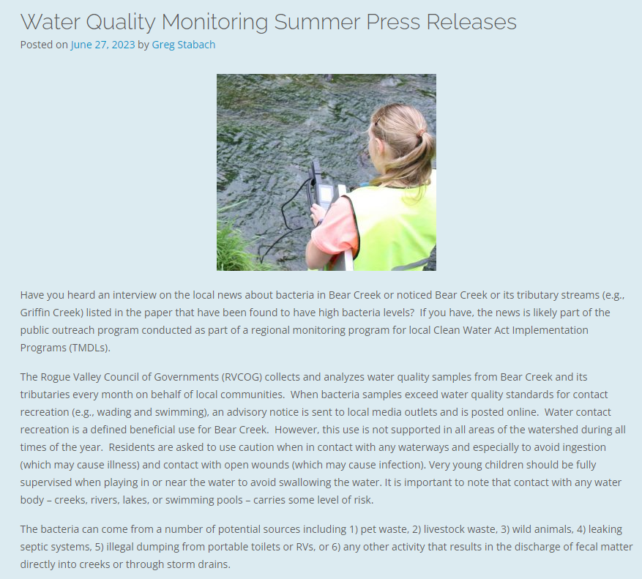

Stream Smart Blogs and Posts
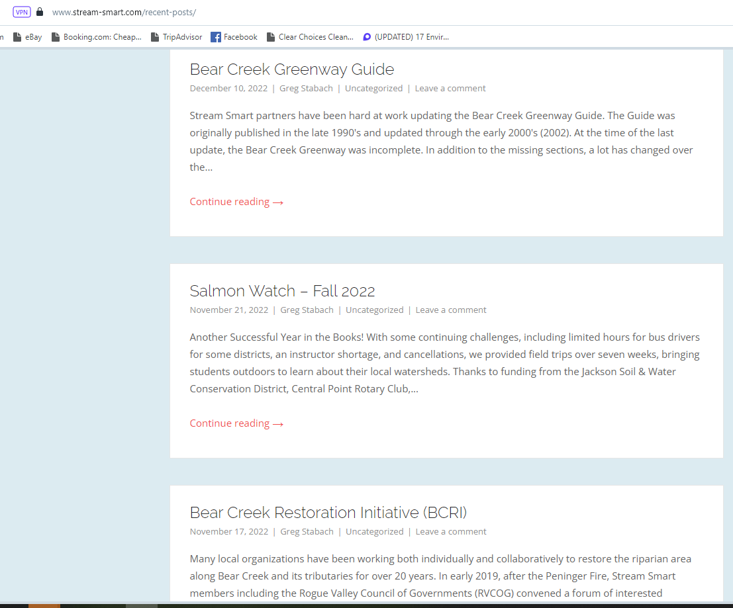

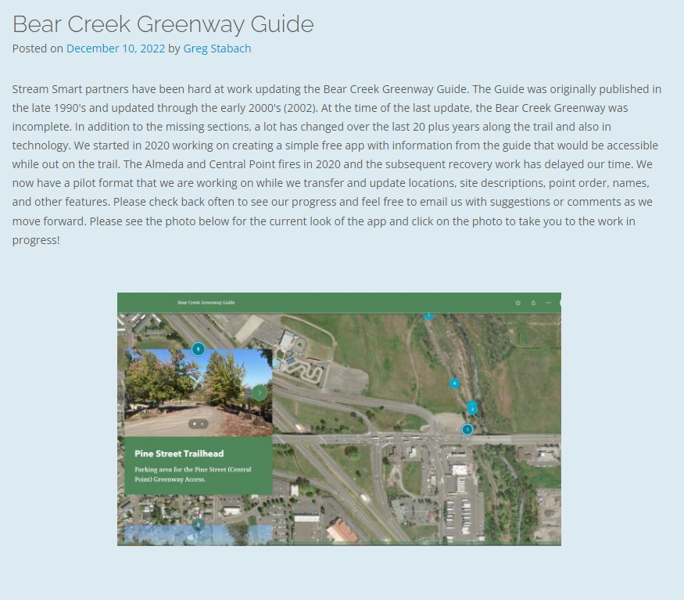

Data Analysis
Summer Exceedance: May 1 - October 31 |  |  |  |  |  | Winter Exceedance: November 1 - April 30
Site # | Location | Phosphorus Exceedance at Standard (0.16 mg/L) | Count | WQ % | WQ Grade | Site # | Location | E. coli Exceedance at Standard (406 MPN) | Count
E1 | Walker Ck. @ Belle Fiore | 0% | 0/2 | 100% | A | E1 | Walker Ck. @ Belle Fiore | 0% | 0/4
E3 | Neil Ck. @ Dead Indian Memorial | 33% | 1/3 | 67% | D+ | E3 | Neil Ck. @ Dead Indian Memorial | 0% | 0/6
E4 | Ashland Ck. @ Granite St. | 0% | 0/3 | 100% | A | E4 | Ashland Ck. @ Granite St. | 0% | 0/6
E5 | Ashland Ck. below STP | 0% | 0/3 | 100% | A | E5 | Ashland Ck. below STP | 0% | 0/6
E6 | TID Canal @ Eagle Mill Rd. | 0% | 0/3 | 100% | A | E6 | TID Canal @ Eagle Mill Rd. | - | -
E7 | Bear Ck. @ S. Valley View Rd. | 0% | 0/3 | 100% | A | E7 | Bear Ck. @ S. Valley View Rd. | 0% | 0/6
E8 | Bear Ck. @ Greenway (S. Talent) | 0% | 0/3 | 100% | A | E8 | Bear Ck. @ Greenway (S. Talent) | 0% | 0/6
E9 | Bear Ck. @ Lynn Newbry Park | 0% | 0/3 | 100% | A | E9 | Bear Ck. @ Lynn Newbry Park | 0% | 0/6
E10 | MID Diversion @ Suncrest Rd. | 0% | 0/3 | 100% | A | E10 | MID Diversion @ Suncrest Rd. | - | -
E11 | Bear Ck. @ B. H. Park (Phoenix) | 0% | 0/3 | 100% | A | E11 | Bear Ck. @ B. H. Park (Phoenix) | 17% | 1/6
E12 | Bear Ck. @ Fern Valley Rd. | 33% | 1/3 | 67% | D+ | E12 | Bear Ck. @ Fern Valley Rd. | 0% | 0/6
E13 | Bear Ck. @ JNC (S. Medford) | 33% | 1/3 | 67% | D+ | E13 | Bear Ck. @ JNC (S. Medford) | 0% | 0/6
E14 | Bear Ck. @ 9th St. (Medford) | 33% | 1/3 | 67% | D+ | E14 | Bear Ck. @ 9th St. (Medford) | 0% | 0/6
E15 | Bear Ck. @ Table Rock Rd. | 50% | 1/2 | 50% | F | E15 | Bear Ck. @ Table Rock Rd. | 0% | 0/6
E16 | Griffin Ck. @ Beall Ln. | 67% | 2/3 | 33% | F | E16 | Griffin Ck. @ Beall Ln. | 33% | 2/6
E17 | Jackson Ck. @ Beall Ln. | - | - | - | - | E17 | Jackson Ck. @ Beall Ln. | 17% | 1/6
E18 | Jackson Ck. @ Jacksonville | 0% | 0/2 | 100% | A | E18 | Jackson Ck. @ Jacksonville | 25% | 1/4
E19 | Jackson Ck. @ W. Ross Ln. | 0% | 0/3 | 100% | A | E19 | Jackson Ck. @ W. Ross Ln. | 33% | 2/6
E20 | Bear Ck. @ Pine St. (CP) | 50% | 1/2 | 50% | F | E20 | Bear Ck. @ Pine St. (CP) | 0% | 0/6
E21 | Bear Ck. Above Griffin (CP) | - | - | - | - | E21 | Bear Ck. Above Griffin (CP) | - | -
E22 | Griffin Ck. @ I-5 | 100% | 2/2 | 0% | F | E22 | Griffin Ck. @ I-5 | 0% | 0/6
E23 | Jackson Ck. @ Blackwell Rd. | 100% | 3/3 | 0% | F | E23 | Jackson Ck. @ Blackwell Rd. | 17% | 1/6
E24 | Bear Ck. @ Kirtland Rd. | 67% | 2/3 | 33% | D+ | E24 | Bear Ck. @ Kirtland Rd. | 17% | 1/6

 | Data Analysis Avilable Online |  |  |  |  |  |  |  |  | Example Annual Statistics

E14 - Bear Creek @ 9th Street (Medford)
 | E. coli MPN
July | 2419.2
August | 461.1
September | 1046.2
October | 488.4
November | 139.6
December | 290.9
January | 69.7
February | 24.3
March | 72.3
April | 30.9
May | 613.1
June | 2419.2
E19 - Jackson Creek @ W. Ross Lane
 | E. coli MPN
July | 980.4
August | 78
September | 547.5
October | 686.7
November | 461.1
December | 816.4
January | 64.4
February | 209.8
March | 161.6
April | 16
May | 93.3
June | 23.3
 |  |  |  |  |  |  |  |  |  | E14 | Temp. (C°) | E. coli MPN | Phosphorus (mg/L)
 |  |  |  |  |  |  |  |  |  | Average | 12.4 | 672.9 | 0.154
 |  |  |  |  |  |  |  |  |  | Maximum | 24.3 | 2419.2 | 0.181
 |  |  |  |  |  |  |  |  |  | Minimum | 4.7 | 24.3 | 0.126
 |  |  |  |  |  |  |  |  |  | Median | 10.6 | 376.0 | 0.156
 |  |  |  |  |  |  |  |  |  | Range | 19.6 | 2394.9 | 0.055

E16 - Griffin Creek @ Beall Lane
 | E. coli MPN
July | 365.4
August | 579.4
September | 1046.2
October | 980.4
November | 166.4
December | 980.4
January | 238.2
February | 410.6
March | 44.8
April | 24.6
May | 166.4
June | 240
E23 - Jackson Creek @ Dean Creek Road
 | E. coli MPN
July | 1299.7
August | 579.4
September | 1986.3
October | 1203.3
November | 260.2
December | 770.1
January | 28.8
February | 27.8
March | 36.8
April | 82.3
May | 410.6
June | 547.5

E17 - Jackson Creek @ Beall Lane
 | E. coli MPN
July | 224.7
August | 285.1
September | 2419.2
October | 1413.6
November | 214.2
December | 218.7
January | 410.6
February | 67.6
March | 77.1
April | 32.3
May | 727
June | 686.7
E24 - Bear Creek @ Kirtland Road
 | E. coli MPN
July | 137.6
August | 307.6
September | 150
October | 435.2
November | 156.5
December | 435.2
January | 78
February | 17.1
March | 47.2
April | 35
May | 155.3
June | 517.2

